8262019_Run1 Raw
Probe curve | Probe by anchor curves | Anchor curve | Observed surface | Predicted bliss surface | Difference from bliss | Combination Index | Cell_Line | Compound1 | Compound2 | SynergyScore | AntagoScore | Difference | Mean ComboIndex

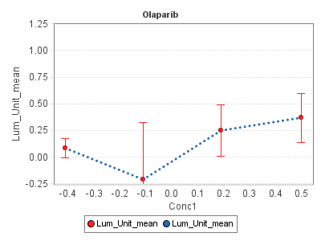 | 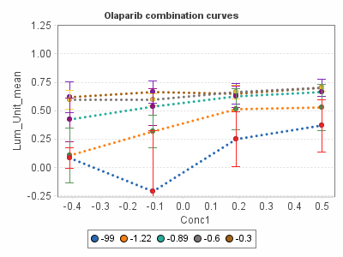 | 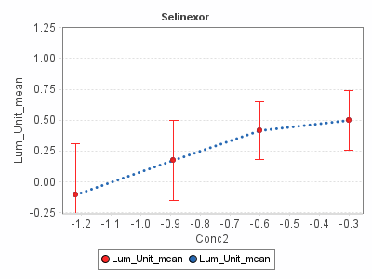 | 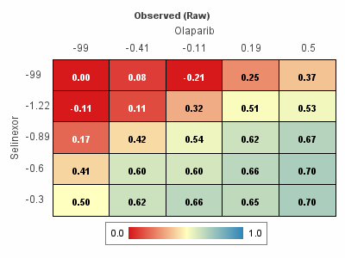 | 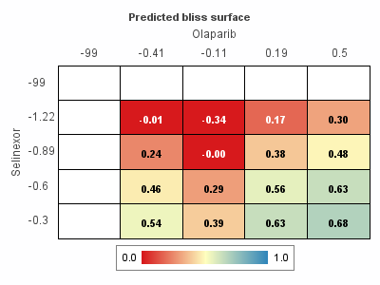 | 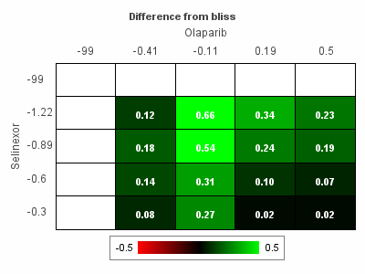 | 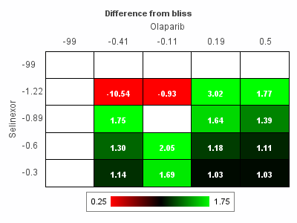 | 8262019 | Olaparib | Selinexor | 3.51 | 0 | 3.51 | 0.539375

8262019_Run1 Model
Probe curve | Probe by anchor curves | Anchor curve | Observed surface | Predicted bliss surface | Difference from bliss | Combination Index | Cell_Line | Compound1 | Compound2 | SynergyScore | AntagoScore | Difference | Mean ComboIndex

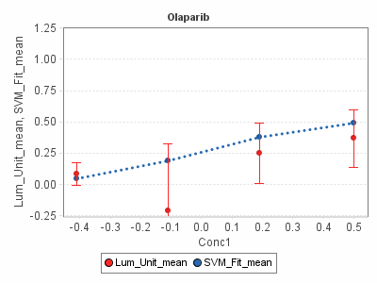 | 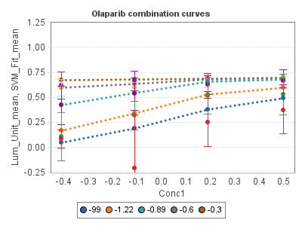 | 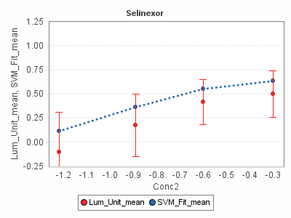 | 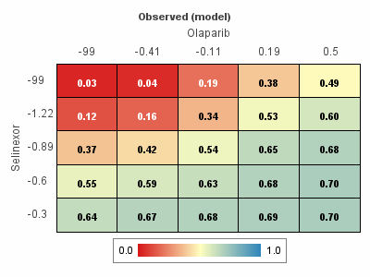 | 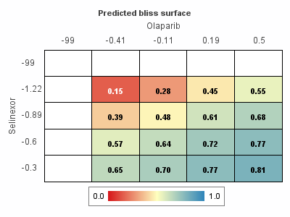 | 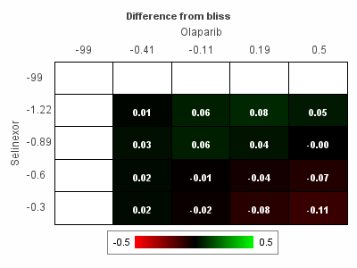 | 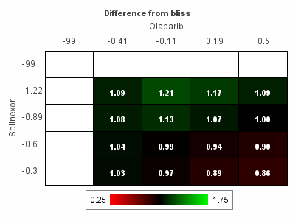 | 8262019 | Olaparib | Selinexor | 0.37 | -0.33 | 0.04 | 1.02875

9132019_Run1 Raw
Probe curve | Probe by anchor curves | Anchor curve | Observed surface | Predicted bliss surface | Difference from bliss | Combination Index | Cell_Line | Compound1 | Compound2 | SynergyScore | AntagoScore | Difference | Mean ComboIndex

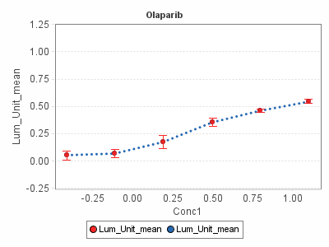 | 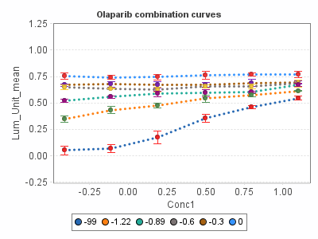 | 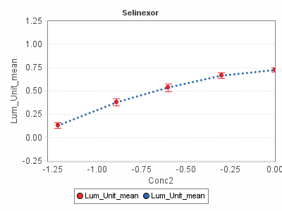 | 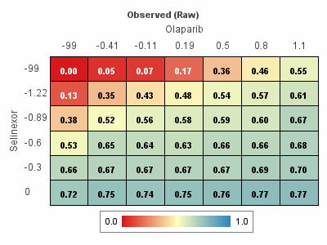 | 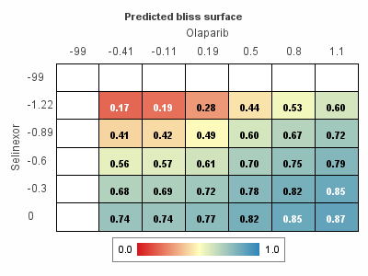 | 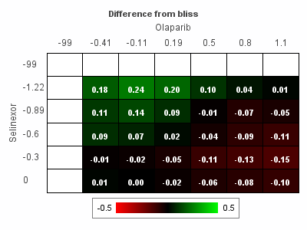 | 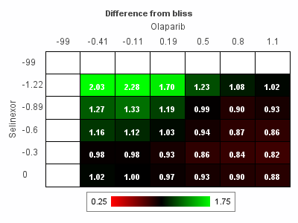 | 9132019 | Olaparib | Selinexor | 1.3 | -1.1 | 0.2 | 1.1013333333

9132019_Run1 Model
Probe curve | Probe by anchor curves | Anchor curve | Observed surface | Predicted bliss surface | Difference from bliss | Combination Index | Cell_Line | Compound1 | Compound2 | SynergyScore | AntagoScore | Difference | Mean ComboIndex

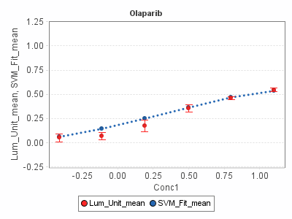 | 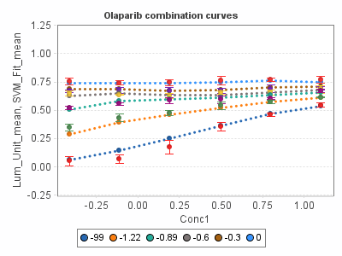 | 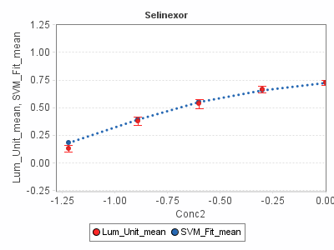 | 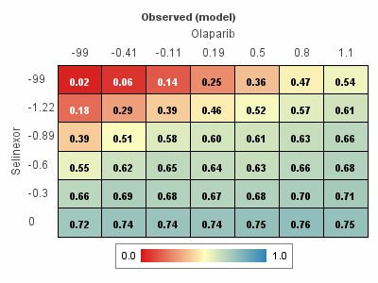 | 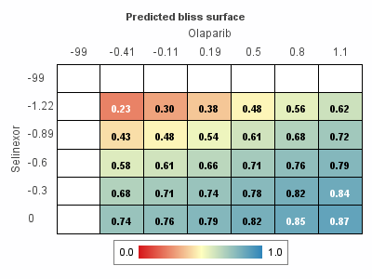 | 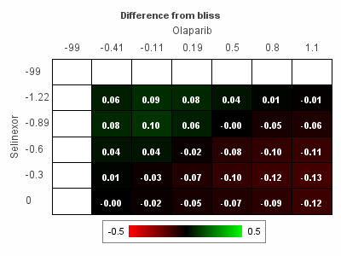 | 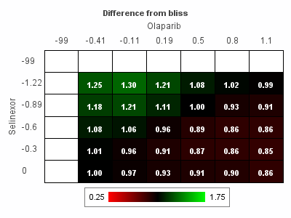 | 9132019 | Olaparib | Selinexor | 0.61 | -1.23 | -0.62 | 0.99766666667

